Project Sensitivities
Project Sensitivities
1% Project Cost Change | 60500
Cost of Delay (per week) | 228500
1% Total Profit Change | 198800

Example: | We believe that adding an additional feature will increase the total lifecycle benefits of a project by 1% but it will take another sprint to compete (2 weeks). If we do this though we miss our original release window and will need to wait an additional 2 weeks for the major ERP upgrade to complete. What do we do?

 | Total delay weeks: | 2 weeks (to build features) + 2 weeks (waiting for ERP upgrade)
 | Cost of Delay: |  | 914000
 | Total additional profit: |  | 198800

 | Because the CoD of 4 weeks is greaters than the additional profit of 1% in this example we would release and not miss the scheduled window. Another way to look at this example might be to ask the question in a a slightly different way…

Example: | The team believe based on their forcecast that they will not be able to meet their release window and have an alternative solution. They would like to reduce the planned feature set and go to production will a set of workarounds. If the decision is to ship the feature it will take them 2 weeks and they will need to wait an additional 2 weeks for the SAP upgrade to complete. This will reduce the benefits by 1%
 | Total delay: | 2 weeks to build (schedule slip) + 2 weeks (wait for ERP upgrade)
 | Cost of Delay: | 914000
 | Total reduced profit: | 198800

 | The correct and economically sensible decision is to ship with a reduced featureset and workarounds

 | For the decision swing the other way, the increase to profit would need to be > 6%

Cumulative Value
Cumulative Value (Value = Benefits - Costs)
 | cumulative profit | 1 week delay
 | -$93,500.00 | -93500
 | -$187,000.00 | -187000
 | -$280,500.00 | -280500
 | -$374,000.00 | -374000
 | -$467,500.00 | -467500
 | -$561,000.00 | -561000
 | -$654,500.00 | -654500
 | -$748,000.00 | -748000
 | -$841,500.00 | -841500
 | -$935,000.00 | -935000
 | -$1,028,500.00 | -1028500
 | -$1,122,000.00 | -1122000
 | -$1,215,500.00 | -1215500
 | -$1,309,000.00 | -1309000
 | -$1,397,500.00 | -1402500
 | -$1,486,000.00 | -1491000
 | -$1,574,500.00 | -1579500
 | -$1,663,000.00 | -1668000
 | -$1,751,500.00 | -1756500
 | -$1,840,000.00 | -1845000
 | -$1,923,500.00 | -1933500
 | -$2,007,000.00 | -2017000
 | -$2,090,500.00 | -2100500
 | -$2,174,000.00 | -2184000
 | -$2,252,500.00 | -2267500
 | -$2,331,000.00 | -2346000
 | -$2,409,500.00 | -2424500
 | -$2,488,000.00 | -2503000
 | -$2,561,500.00 | -2581500
 | -$2,635,000.00 | -2655000
 | -$2,708,500.00 | -2728500
 | -$2,782,000.00 | -2802000
 | -$2,850,500.00 | -2875500
 | -$2,919,000.00 | -2944000
 | -$2,987,500.00 | -3012500
 | -$3,056,000.00 | -3081000
 | -$3,119,500.00 | -3149500
 | -$3,183,000.00 | -3213000
 | -$3,246,500.00 | -3276500
 | -$3,310,000.00 | -3340000
 | -$3,368,500.00 | -3403500
 | -$3,427,000.00 | -3462000
 | -$3,485,500.00 | -3520500
 | -$3,544,000.00 | -3579000
 | -$3,597,500.00 | -3637500
 | -$3,651,000.00 | -3691000
 | -$3,704,500.00 | -3744500
 | -$3,758,000.00 | -3798000
 | -$3,806,500.00 | -3851500
 | -$3,855,000.00 | -3900000
...

Weekly Value Flow
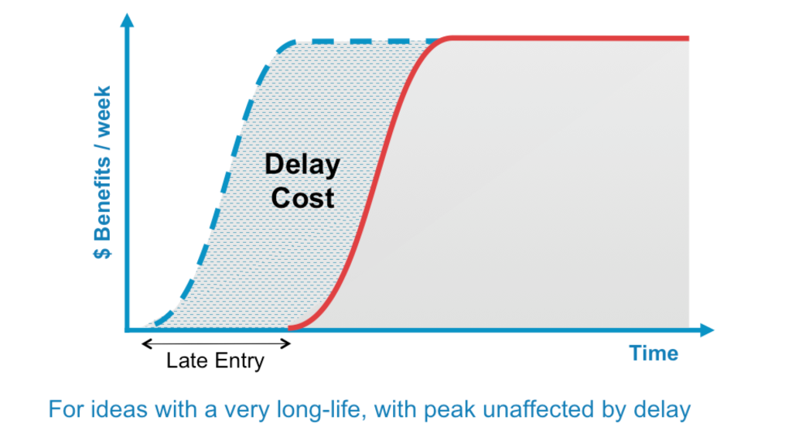

Weekly Value Flow ( Value = Benefits - Cost )
 | baseline | 1 week delay
 | $93,500.00 | 93500
 | $187,000.00 | 187000
 | $280,500.00 | 280500
 | $374,000.00 | 374000
 | $467,500.00 | 467500
 | $561,000.00 | 561000
 | $654,500.00 | 654500
 | $748,000.00 | 748000
 | $841,500.00 | 841500
 | $935,000.00 | 935000
 | $1,028,500.00 | 1028500
 | $1,122,000.00 | 1122000
 | $1,215,500.00 | 1215500
 | $1,309,000.00 | 1309000
 | $1,402,500.00 | 1402500
 | $1,496,000.00 | 1496000
 | $1,589,500.00 | 1589500
 | $1,683,000.00 | 1683000
 | $1,776,500.00 | 1776500
 | $1,870,000.00 | 1870000
 | $1,963,500.00 | 1963500
 | $2,057,000.00 | 2057000
 | $2,150,500.00 | 2150500
 | $2,244,000.00 | 2244000
 | $2,337,500.00 | 2337500
 | $2,431,000.00 | 2431000
 | $2,524,500.00 | 2524500
 | $2,618,000.00 | 2618000
 | $2,711,500.00 | 2711500
 | $2,805,000.00 | 2805000
 | $2,898,500.00 | 2898500
 | $2,992,000.00 | 2992000
 | $3,085,500.00 | 3085500
 | $3,179,000.00 | 3179000
 | $3,272,500.00 | 3272500
 | $3,366,000.00 | 3366000
 | $3,459,500.00 | 3459500
 | $3,553,000.00 | 3553000
 | $3,646,500.00 | 3646500
 | $3,740,000.00 | 3740000
 | $3,833,500.00 | 3833500
 | $3,927,000.00 | 3927000
 | $4,020,500.00 | 4020500
 | $4,114,000.00 | 4114000
 | $4,207,500.00 | 4207500
 | $4,301,000.00 | 4301000
 | $4,394,500.00 | 4394500
 | $4,488,000.00 | 4488000
 | $4,581,500.00 | 4581500
 | $4,675,000.00 | 4675000
...

Delay Cost and Urgency Profile
Delay Cost and Urgency
 | Delay Cost | Urgency/Cost of Delay (CoD)
 | $228,500.00 | $228,500.00
 | $457,000.00 | $228,500.00
 | $685,500.00 | $228,500.00
 | $914,000.00 | $228,500.00
 | $1,142,500.00 | $228,500.00
 | $1,371,000.00 | $228,500.00
 | $1,599,500.00 | $228,500.00
 | $1,828,000.00 | $228,500.00
 | $2,056,500.00 | $228,500.00
 | $2,285,000.00 | $228,500.00
 | $2,513,500.00 | $228,500.00
 | $2,742,000.00 | $228,500.00
 | $2,970,500.00 | $228,500.00
 | $3,199,000.00 | $228,500.00
 | $3,427,500.00 | $228,500.00
 | $3,656,000.00 | $228,500.00
 | $3,884,500.00 | $228,500.00
 | $4,113,000.00 | $228,500.00
 | $4,341,500.00 | $228,500.00
 | $4,570,000.00 | $228,500.00
 | $4,798,500.00 | $228,500.00
 | $5,027,000.00 | $228,500.00
 | $5,255,500.00 | $228,500.00
 | $5,484,000.00 | $228,500.00
 | $5,712,500.00 | $228,500.00
 | $5,941,000.00 | $228,500.00
 | $6,169,500.00 | $228,500.00
 | $6,398,000.00 | $228,500.00
 | $6,626,500.00 | $228,500.00
 | $6,855,000.00 | $228,500.00
 | $7,083,500.00 | $228,500.00
 | $7,312,000.00 | $228,500.00
 | $7,540,500.00 | $228,500.00
 | $7,769,000.00 | $228,500.00
 | $7,997,500.00 | $228,500.00
 | $8,226,000.00 | $228,500.00
 | $8,454,500.00 | $228,500.00
 | $8,683,000.00 | $228,500.00
 | $8,911,500.00 | $228,500.00
 | $9,140,000.00 | $228,500.00
 | $9,368,500.00 | $228,500.00
 | $9,597,000.00 | $228,500.00
 | $9,825,500.00 | $228,500.00
 | $10,054,000.00 | $228,500.00
 | $10,282,500.00 | $228,500.00
 | $10,511,000.00 | $228,500.00
 | $10,739,500.00 | $228,500.00
 | $10,968,000.00 | $228,500.00
 | $11,196,500.00 | $228,500.00
 | $11,425,000.00 | $228,500.00
...

